Analysis
STORY 1 | Tecnique
1 | Use case | The user should be capable to search any product, typing the product in the search bar and enter
 | Use case 2 | The user search many productos
 | Use case 3 | The user can see the message if no products are found
 | Use case 4 | The user should be able to search by model
 | Use case 5 | The user should be able to search by brand
 | Use case 6 | The user should be able to search by physicanl characteristic
2 | Use case 1 | The user should be able to search a TV
 | User case 2 | The user should be able to select a brand, size and range of price
 | Use case 3 | The user is able to select a tv from the results
3 | Use case 1 | The user is able to create an account
 | Use case 2 | The user can check the account information
 | Use case 3 | The user is able to receive notifications

1 | STATE TABLE | INPUT TEXT | RESULTS DISPLAYED | TC
 |  | TEXT | V | S1-1
 |  | Special Characteres | F | S1-9
 |  | Numbers | V | S1-7
 |  | Spaces | F | N/A
 |  | Scripting | F | S1-6

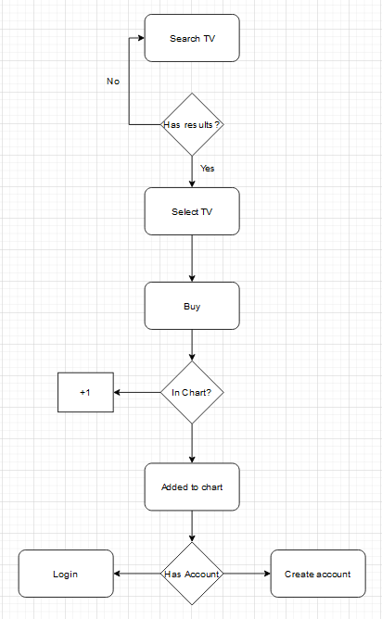
2 | State Transition

 |  | Covering TC S2-*

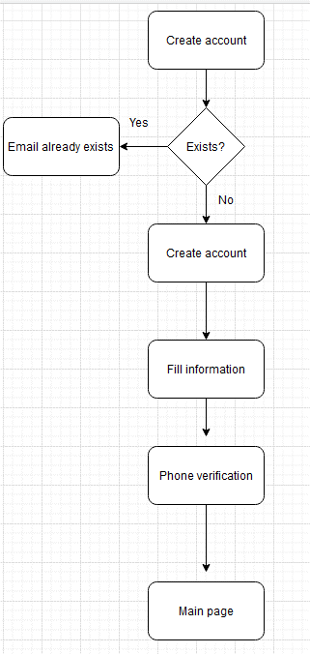
3 | Create account

 |  | Covering TC S3-*

